Sheet1
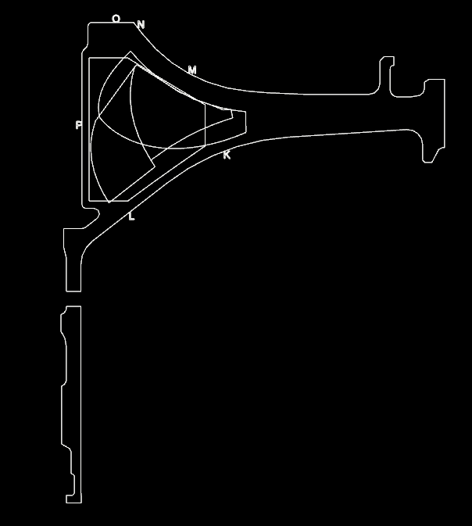
Surface K |  |  | Surface L |  |  | Surface M
Vdepth (inches) |  |  | Vdepth (inches) |  |  | Vdepth (inches)
Position | Start | Stop | Position | Start | Stop | Position | Start | Stop
0.840 | 0.495 | 0.636 | 0.000 | 0.354 | 2.503 | 0.000 | 0.354 | 0.707
2.240 | 0.495 | 2.503 | 1.000 | 0.354 | 2.121 | 2.000 | 0.354 | 2.121

Surface N |  |  | Surface O |  |  | Surface P
Vdepth (inches) |  |  | Vdepth (inches) |  |  | Vdepth (inches)
Position | Start | Stop | Position | Start | Stop | Position | Start | Stop
Too much noise, do not scan |  |  | 0.000 | 0.530 | 2.210 | 0.050 | 0.120 | 0.707
 |  |  | 0.460 | 0.530 | 2.210 | 1.000 | 0.120 | 1.768
 |  |  |  |  |  | 1.700 | 0.120 | 1.768
 |  |  |  |  |  | 2.500 | 0.120 | 0.707

